Integrative Thinking
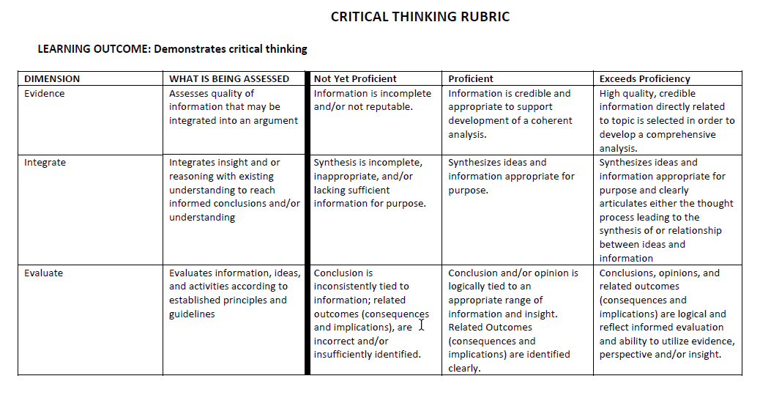
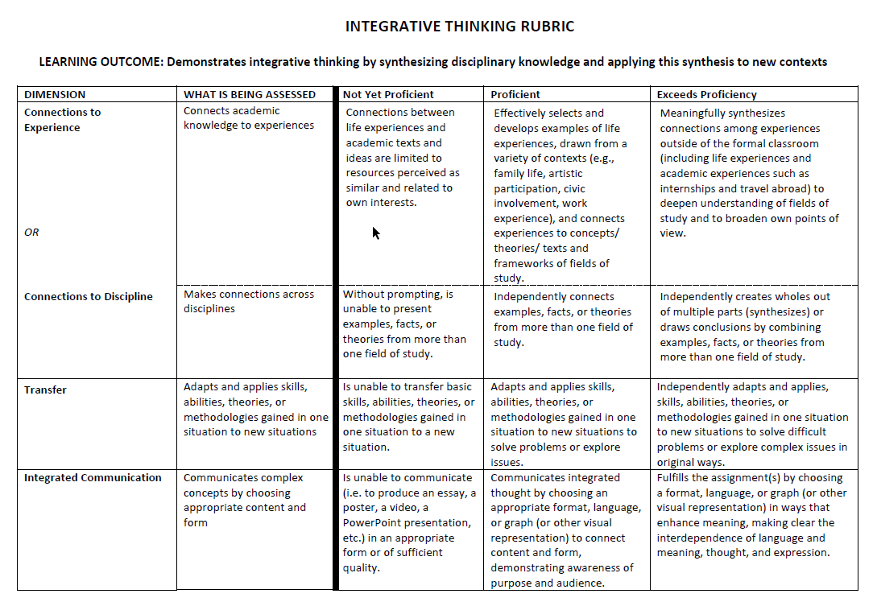
 | Student: | 1 | 2 | 3 | 4 | 5 | 6 | 7 | 8 | 9 | 10 | 11 | 12 | 13 | 14 | 15 | 16 | 17 | 18 | 19 | 20 | 21 | 22 | 23 | 24 | 25 | 26 | 27 | 28 | 29 | 30
CRITICAL THINKING | Evidence
 | Integrate
 | Evaluate
INTEGRATIVE THINKING | Connections to Experience/Discipline
 | Transfer
 | Integrated Communication

SUMMARY |  | NYP | P | EP | % NYP | %P &EP |  | Rubric Entry Key:

CRITICAL THINKING | Evidence | 0 | 0 | 0 | #DIV/0! | #DIV/0! |  | 0 | Not Yet Proficient (NYP)
 | Integrate | 0 | 0 | 0 | #DIV/0! | #DIV/0! |  | 1 | Proficient (P)
 | Evaluate | 0 | 0 | 0 | #DIV/0! | #DIV/0! |  | 2 | Exceeds Proficiency (EP)
INTEGRATIVE THINKING | Connections to Experience/Discipline | 0 | 0 | 0 | #DIV/0! | #DIV/0!
 | Transfer | 0 | 0 | 0 | #DIV/0! | #DIV/0!
 | Integrated Communication | 0 | 0 | 0 | #DIV/0! | #DIV/0!

